1-5.Manufacturer & product info
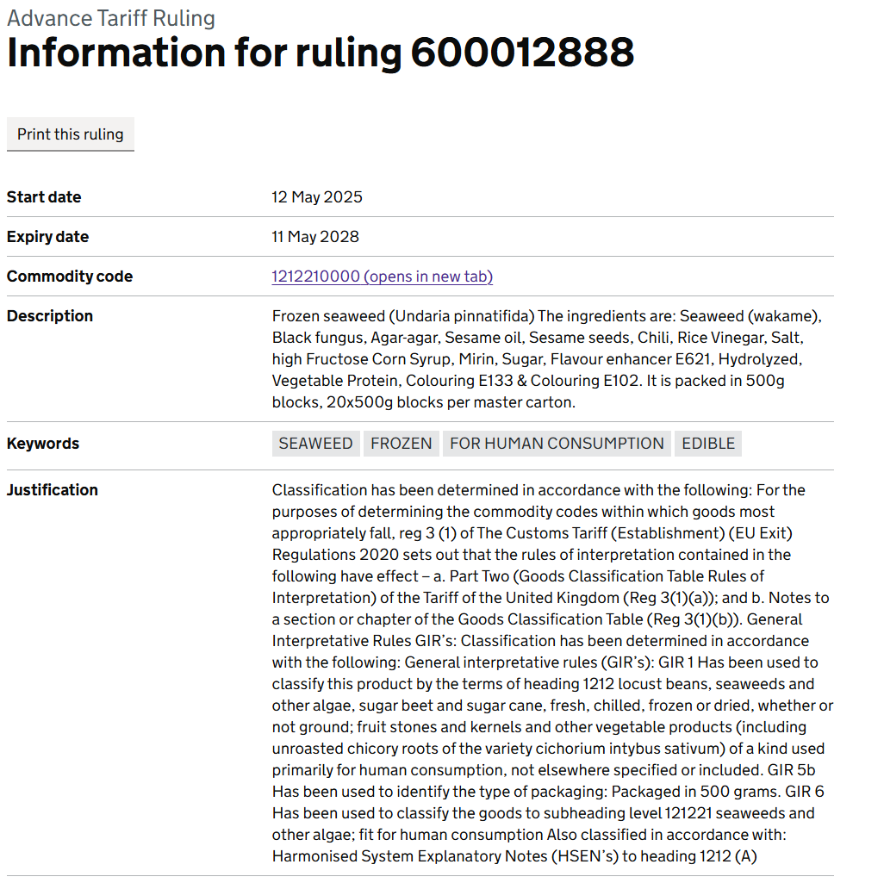
1.Product Gernal Description:
Product Name: *Legal name / Customary name / descriptive name | Wakame Salad -No Added Colour 1kg
Product Description in Details: | Frozen Seasoned Wakame Seaweed Salad/Goma wakame
Scientific Name | Undaria Pinnatifida
Commodity Code | 1212210000
Purchase UoM: | 10/1kg
TBI Product Code: | F051
Primary Package Barcode: | 5060740661867
Outer Case Barcode: | 35060740661868
Name of Manufacturer: | Dalian Haibao Foods Co., Ltd.
Address of Manufacturer: | NO.281-10 Yanbai Road, Tieshan Street, Lvshunkou District, Dalian China
2.Product Certified For
 | Yes
BRC | Yes
Other GFSI Recoginised standard
ASC | N/A
Global G.A.P. | No
Sedex | Yes
Other, e.g. Halal, Kosher | HACCP, ISO22000, HALAL, FDA
3.Dietary Requirements
 | Yes
Vegetarians | Yes
Vegans | Yes
4.Shelf Life & Storage Condition
Storage Condition / Temperature Range (°C) |  | keep under -18*C
Shelf Life |  | 24 Months
Minimum Remaining Shelf Life before on board/ Minimum Shelf Life on Delivery |  | 90 days
 |  | Ambient products | Frozen Products
Once Opened |  | N/A | N/A
Once Defrosted |  | N/A | keep chilled (0-5 degree) and consume within 5 days
Once Defrosted suitable for Refreezing? |  | N/A | No
Date Code Format E.g. DD/MM/YY |  | DD.MM.YYYY
Batch Code Format / Traceability Code |  | DD.MM.YYYY
5.Instructions for Use
Once defrosted ready to eat. Keep refrigerated (0-5°C) and consume within 5 days.

6-8.Ingre&Nutrition&Allergens
6.Product Composition
Ingredients |  | Components |  | % Composition | Supplier Names | Country of Origin | Genetically modified?
(Including E numbers and *functions for additives) |  | (if ingredient is composed of several sub-ingredients) |  | (Please list the ingredients in descending order) | (Please list all suppliers per ingredient)
Wakame Seaweed |  |  |  | 82.72% | Dalian Haibao Foods Co., Ltd. | CHINA | No
Cane Sugar |  |  |  | 9.10% | China Sugar Grain Industry Liaoning Co., Ltd. | CHINA | No
Rice Vinegar |  | Water, Rice, Corn, Koji |  | 2.35% | Henan Weichuang Bio-tech Co., Ltd | CHINA | No
Sesame seed oil |  |  |  | 2.10% | Jia Li Cereals and Oils (Qingdao) Co., Ltd. | CHINA | No
White Sesame seeds |  |  |  | 2.01% | Ruifu Oil Co., Ltd. | CHINA | No
Salt |  |  |  | 1.47% | Jiangsu Suyan Chain Co., Ltd. | CHINA | No
Red chilli |  |  |  | 0.14% | Hebei Huatian Food Co., Ltd. | CHINA | No
Yeast extract |  |  |  | 0.11% | Guangxi Yipinxian Biotechnology Co., Ltd. | CHINA | No
 |  |  | Total | 100.00%
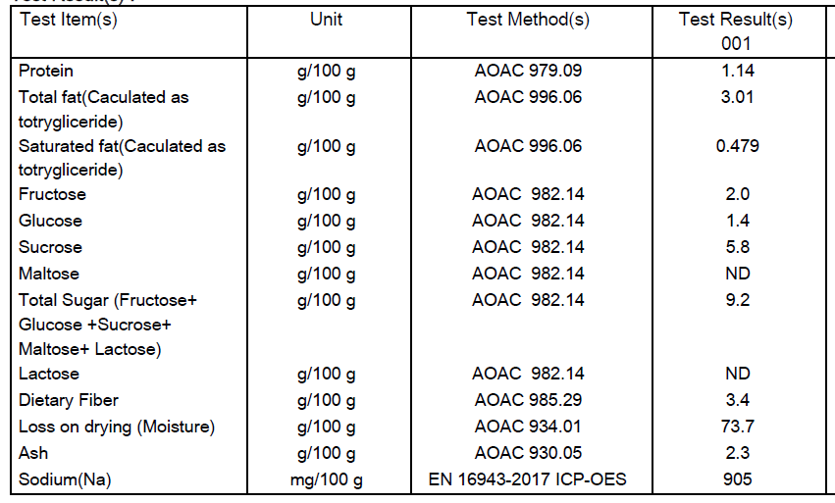

Are Genetically Modified Organisms handled on manufacturing site? |  |  |  |  | No
Is GMO free certificate available for the ingredients at GMO risk? |  |  |  |  | N/A
7.Nutritional Information
Typical Values (g) |  | Per 100g/100ml
Energy (Kcal/KJ) |  | Kcal: 105 KJ: 438 |  |  |  |  |  | 0
Fat |  | 3.01
of which saturate fat |  | 0.479
of which monounsaturated fat* |  | 0
of which, polyunsaturated fat* |  | 0
Carbohydrate |  | 16.5
of which sugar |  | 9.2
of which Polyols* |  | 0
of which starch* |  | 0
Fibre* |  | 3.4
Protein |  | 1.14
Salt |  | 2.26

8.The fourteen Allergens – Regulation (EU) No 1169/2011
 | Potential Component |  |  | Product contains? | In which ingredient? | Handled on manufacturing site? | In which material? | Measures to prevent Cross-contamination | Precautionary allergen labelling (May Contain statement) needed?
 | *Please tick in the box |  |  | Yes/No |  | Yes/No |  |  | Yes/No
01 | Cereals containing gluten including wheat, Rye, Barley, Oats, Spelt & Khorasan and products thereof: |  |  | NO | N/A | Yes | Seasoning | Separate production line | No
02 | Crustaceans and products thereof: |  |  | NO | N/A | Yes | Seasoning | Separate production line | No
03 | Fish and products thereof: |  |  | NO | N/A | Yes | Chicken seasoning Sauce | Separate production line | No
04 | Molluscs and products thereof: |  |  | NO | N/A | NO | N/A | N/A | No
05 | Peanuts and products thereof: |  |  | NO | N/A | NO | N/A | N/A | No
06 | Soybeans and products thereof: |  |  | NO | N/A | Yes | soy sauce | Separate production line | No
07 | Milk and products thereof: |  |  | NO | N/A | NO | N/A | N/A | No
08 | Nuts and products thereof: |  |  | NO | N/A | NO | N/A | N/A | No
09 | Celery and products thereof: |  |  | NO | N/A | NO | N/A | N/A | No
10 | Mustard and products thereof: |  |  | NO | N/A | NO | N/A | N/A | No
11 | Sesame seeds and products thereof: |  |  | Yes | Sesame seeds/oil | Yes | Sesame seeds/oil | N/A (Contains) | N/A (Contains)
12 | Sulphur Dioxide or Sulphites: |  |  | NO | N/A | NO | N/A | N/A | No
13 | Lupin and products thereof: |  |  | NO | N/A | NO | N/A | N/A | No
14 | Egg and products thereof: |  |  | NO | N/A | Yes | Seasoning | Separate production line | No

9-13.Quality Attributes
9.Chemical Standard & Harmful Contamination
Test Item Depends on the products, different pesticides, heavy metals, chemicals should be monitord. Fill in the items to be monitored according to the likely risk of contamination ; Example : Cadmium in seaweed, Acidity in sushi ginger |  | EU MRL standard/Recommendation | Country of Origin MRL Standard | Test Frequency
pH |  |  | 4 & +/-0.1 | Every Batch
Brix |  |  | 16°±1° | Every Batch
Lead (Pb) |  | 0.3 mg/kg | 1.0 mg/kg | Raw material from self-managed farms, test every year
Inorganic Arsenic (As) |  | 0.2 mg/kg | − | Raw material from self-managed farms, test every year
Mercury (Hg) |  | 0.01 mg/kg | − | Raw material from self-managed farms, test every year
Cadmium (Cd) |  | 0.2 mg/kg | − | Raw material from self-managed farms, test every year
10.Acrylamide
Are Products at risk of acrylamide? |  |  |  |  | No
If Yes. What mitigation measures are in place to manage acrylamide levels with the food? |  |  |  |  | N/A
11.Radioactivity
Has the product/ ingredient been irradiated? |  |  |  |  | No
Is the product/ ingredient subject to potential radioactive cross contamination? |  |  |  |  | No
If yes, what controls in place |  |  |  |  | N/A
Has the product/ ingredient been imported into the UK from a country that has high levels of radioactivity? |  |  |  |  | No
If Yes, how is this controlled and what checks are carried out? |  |  |  |  | N/A
12.Microbiology Standards
Micro-organisms | Type | EU satisfactory in ready to eat | Country of Origin Standard | Manufacturer Standard | COA
TVC | Quality Indicator | <106 | n=5, c=2, m=3×104 M=105 | ≤1×104 | Every PO
Escherichia coli | Hygiene indicator | <20 | ≤10 | ≤10 | Once/ Year
Enterobacteriaceae | Hygiene indicator | <100 | n=5, c=1, m=20, M=30 | ≤100 | Every PO
Listeria spp | Hygiene indicator | Not Detected
Listeria monocytogenes | Pathogens | Not Detected | Not Detected | Not Detected | Once/ Year
Campylobacter spp. | Pathogens | Not Detected
Escherichia coli O157 | Pathogens | Not Detected
Salmonella spp. | Pathogens | Not Detected | Not Detected | Not Detected | Every PO
Shigella spp. | Pathogens | Not Detected
Vibrio cholera (O1 and O139) | Pathogens | Not Detected
Vibrio parahaemolyticus | Pathogens | <20
Bacillus cereus | Pathogens | <103
Bacillus spp. | Pathogens | <103
Clostridium perfringens | Pathogens | <10
Staphylococcus aureus and other coagulase-positive staphylococci | Pathogens | <20 | n=5, c=1, m=100, M=1000 | Not Detected | Once/ Year
13.Acceptance and Rejection standard
Standard Product Photo & Description |  | Rejected Product Photo& Description
IE. Grading, Sizing, Appearance, Flavor/taste, Texture, Colour, smell |  | IE. Grading, Sizing, Appearance, Flavor/taste, Texture, Colour, smell
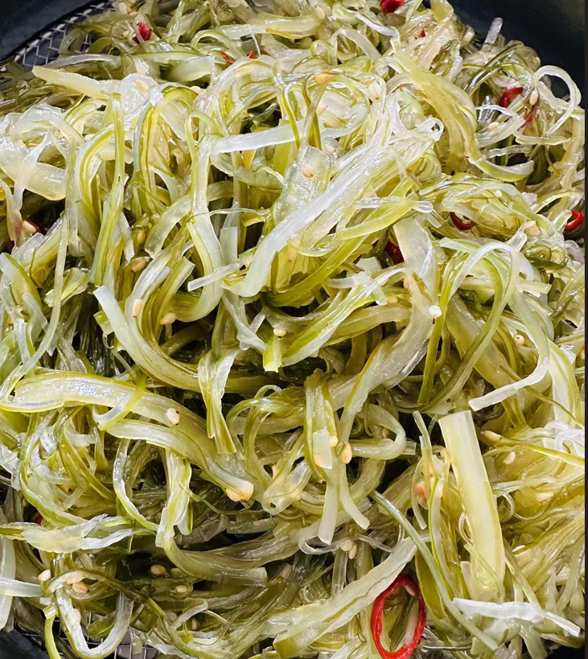 1. Wakame intrinsic colour, aroma 2.Texture: Crisp and easy to chew |  | 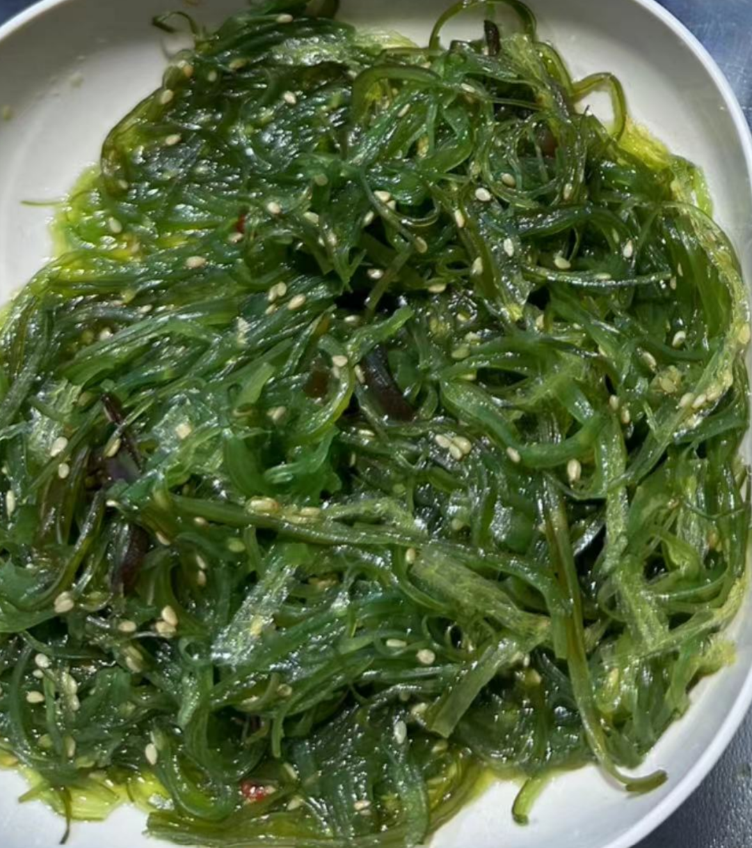 Unnatural colour, no objectional odour, mushy, water content < 5%: Refrigerate the salad at 0-5°C, thaw for 12 hours, drain for 2 minutes, solids content which should be greater than 95%.

14-16.Quantity&packaging info
14.Quantity Attributes
 | Unit (kg) | Case (kg)
Unit Drained Weight (If Product contains liquid) | N/A | N/A
Net Weight | 1 | 10
Gross Weight | 1.013 | 10.75
Is the product packed in a Protective atmosphere? (if yes, indicate the composition on gases used if applicable) |  |  |  | No
Is the product vacuum packed? |  |  |  | Yes
Primary Package Plastic Material Comply with Commission Regulation (EU) No 10/2011 |  |  |  | Yes
15.Packaging Weight Dimensions & Container Maxi Load
 | Description/Color | Materials *please indicate the plastic material from below 01-07 | Weight (g) | Dimensions (mm)

Primary： | Transparent Plastic Pouch | PA+PE | 13 | L | 275
 |  |  |  | W | 200
 |  |  |  | H
Secondary: | Corrugated Carton | Cardboard |  | L | 380
 |  |  |  | W | 190
 |  |  |  | H | 264
20FCL Max Load without palletized | 1300

16.Pallet Configuration
 | UK Pallet Configuration (1.0m x 1.2m) | EU Pallet Configuration (0.8m x 1.2m)
Cases per layer | 15 | 12
Number of layers | 6 | 6
Cases/pallet | 90 | 72
Pallet height (m) | 1.584 | 1.584
Pallet weight (kg) | 967.5 | 774.0 | 987.5
Pallet Top-View | 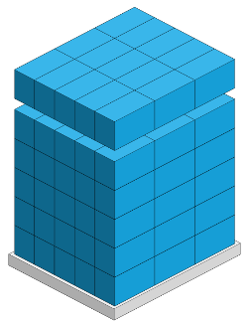 | 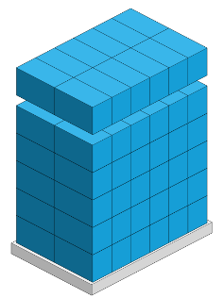

17-20.HACCP,Artwork&SpecAuthor.
17.Process Flow Chart- (showing all CCPs)
Please provide in the form a Critical Control Point (CCP), a description of the process/packing operations including processing times tempuratures where applicable and in process Safery Control Checks (CCP Summary) and Quality Checks.
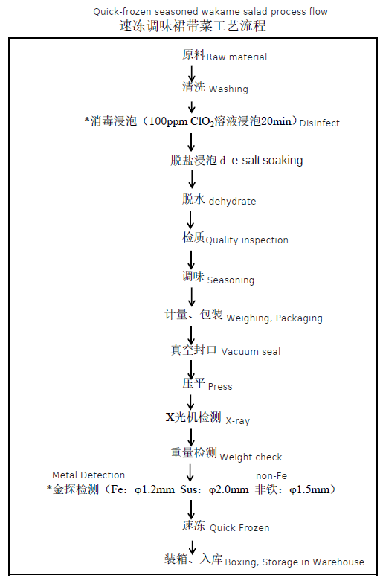
18.Critical Control Points
CCP | Control Measure |  | Critical Limit | Monitoring Frequency
Raw material sterilising | Dedicated staff inspection |  | CLO2 100ppm，20 minutes | Every batch
Metal detection | Metal detector |  | Fe：φ1.2mm Sus：φ2.0mm Non-ferrous：φ1.5mm | Each two hours
19.Artwork
Inner Label / Package Design artwork |  | Outer Label / Package Design artwork
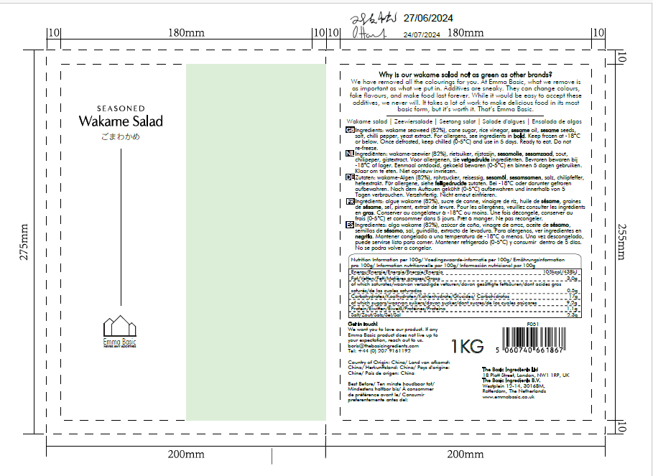 |  | 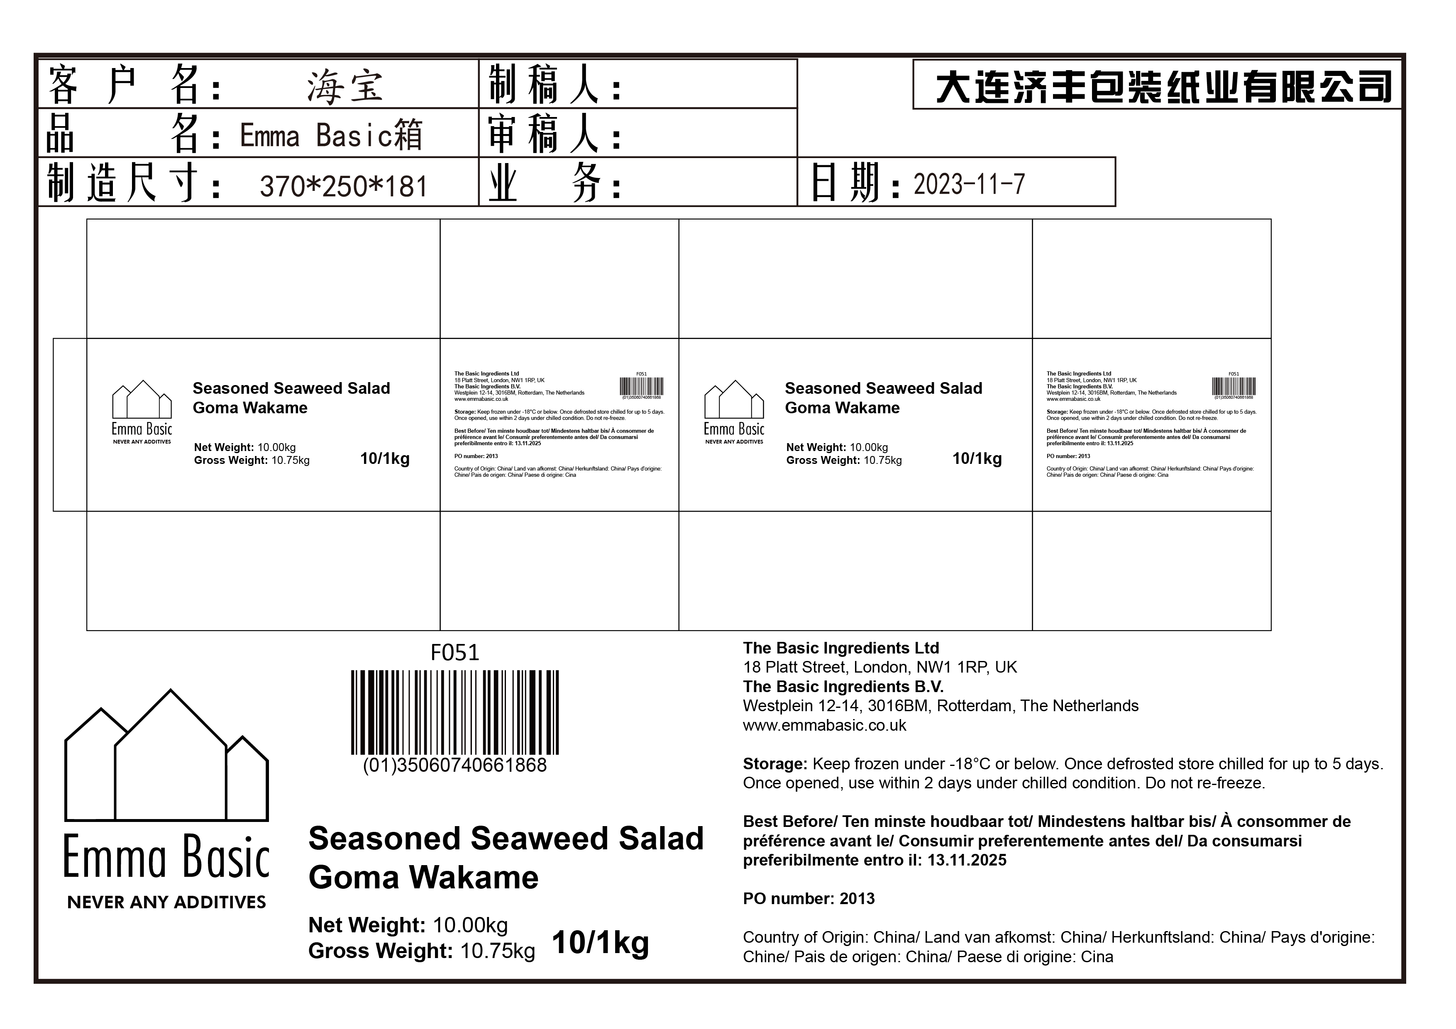

20.Packaging Photos
Finished Product with Primary package | Outer Case (Secondary) |  | Tertiary
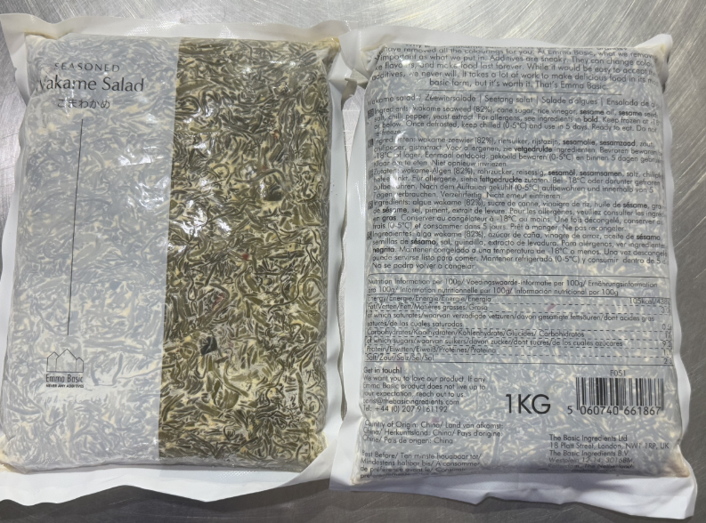 | 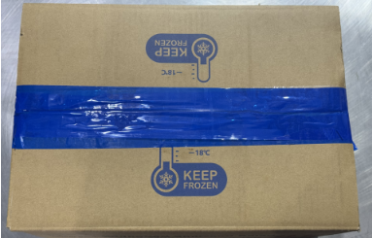 |  | 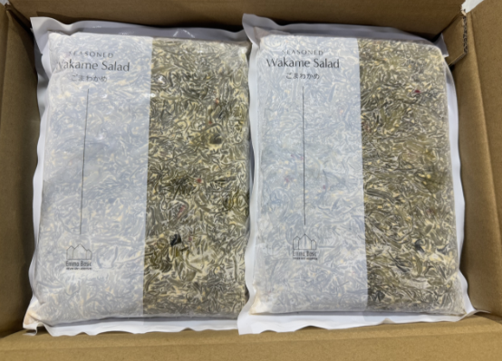 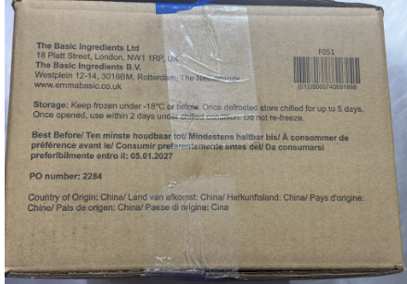 N/A
Specification Authorization
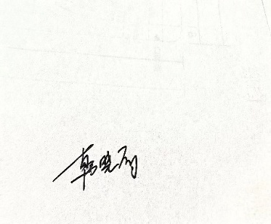
1.Product to be supplied in accordance with this agreed specification. No changes are to be made without prior knowledge and prior written agreement of The Basic Ingredients Ltd. 2.The contents of this specification are confidential and should not be disclosed to a third party without a written approval of The Basic Ingredients Ltd. 3. Product must be fit for purpose of the nature and substance stated in this specification and free from foreign body. 4. The raw materials used in this product fulfil the requirements described in the Regulation 1881/2006/EC related to contaminants in foodstuffs, the Regulation 396/2005/EC related to pesticides in foodstuffs, and their amendments. 5. The product has not been treated with ionising radiation and does not contain any irradiated ingredients- Regulated under Directive 1999/2/EC and Directive 1999/3/EC. 6. This product does not contain ingredients that contain GMO or consist of GMO or were produced from GMO - Regulated under Regulation (EC) No 1829/2003, Regulation (EC) No 1830/2003, and their amendments. 7. Products to be delivered using suitable transport in the stated conditions (i.e. ambient, chilled, frozen). 8. The information on this specification can be used without reservation to advise customers with food allergies, intolerances or aversions, especially those who may die from an anaphylactic reaction to traces of ingredients. 9. All materials intended to come into contact with foods complies with European regulations: Regulation (EC) No. 1935/2004, Regulation (EC) No. 2023/2006, Regulation (EU) No. 10/2011, Directives 82/711/EEC, 85/572/EEC, 2002/72/EEC (and the relevant amendments).
Manufacturer Name | Dalian Haibao Foods Co., Ltd.
Signature
Print Name | Tina Han
Position in Company | Sales Representive
Date | 2025-07-08

For and on behalf of The Basic Ingredients Ltd:
Signature
Print Name | Nancy Deng
Position in Company | Technical Account Manager
Date | 2025-07-08

For and on behalf of Customer:
Signature
Print Name
Position in Company
Date

